Task 8
Average Annual CTC vs. Team / Role
Team / Role | Average Annual CTC
HR | 460.58
Marketing | 401.99
Sales | 330.36
Tech | 503.09

Task 9
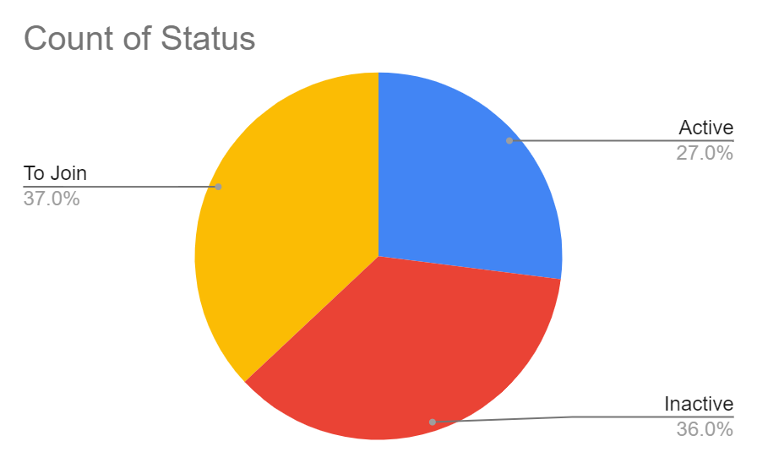
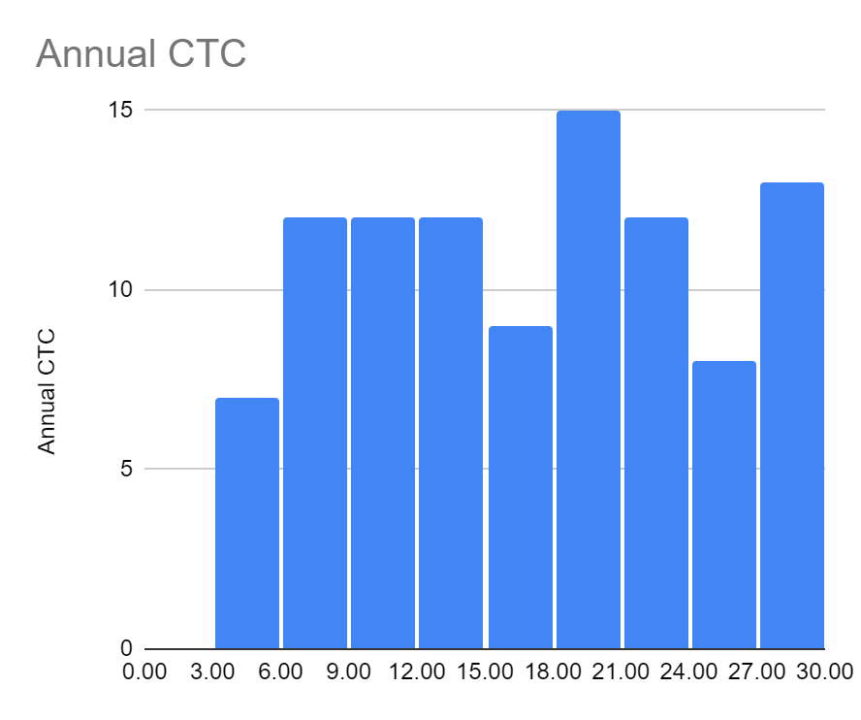
Annual CTC | Team / Role | Status
4.26 | Sales | Active
18.88 | Sales | Active
18.45 | Marketing | Inactive
10.67 | Tech | Inactive
18.88 | HR | Inactive
16.96 | Tech | Inactive
29.91 | Sales | To Join
22.15 | Tech | Active
15.94 | HR | Active
29.96 | Sales | Active
29.35 | Marketing | Active
16.11 | Tech | To Join
10.45 | Tech | Active
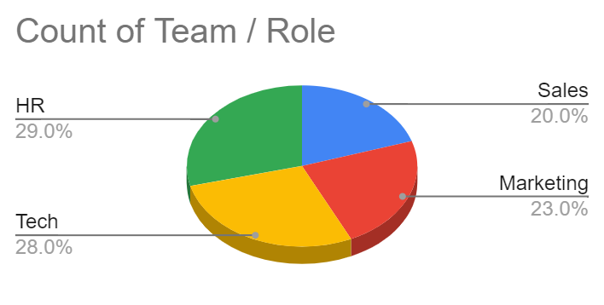
5.36 | Sales | Active
14.85 | Sales | To Join
8.4 | HR | Inactive
12.02 | HR | Inactive
5.94 | HR | Inactive
25.81 | Tech | To Join
4.7 | Sales | To Join
16.79 | Marketing | To Join
26.2 | Marketing | Inactive
21.58 | Marketing | To Join
9.89 | HR | To Join
28.68 | Sales | To Join
25.04 | HR | Inactive
20.82 | Tech | Active
12.65 | Tech | Active
19.85 | Tech | Inactive
14.17 | HR | Inactive
20.44 | Sales | To Join
21.43 | Tech | To Join
21.76 | Marketing | Active
19.06 | Marketing | Inactive
27.35 | Tech | Active
21.38 | Marketing | Active
16.07 | HR | To Join
4.99 | HR | To Join
7.5 | Marketing | Inactive
11.52 | Sales | Inactive
18.81 | HR | To Join
23.74 | Marketing | Inactive
22.78 | HR | Inactive
10.5 | Marketing | Inactive
6.71 | HR | Inactive
12.43 | Marketing | To Join
14.88 | Sales | To Join
24.16 | Sales | Active
29.18 | HR | To Join
28.63 | HR | To Join
16.11 | Tech | Inactive
19.22 | Marketing | To Join
14.84 | Tech | Inactive
24.85 | Marketing | Inactive
5.57 | Marketing | Active
6.07 | Tech | To Join
8.58 | HR | Inactive
29.19 | Marketing | Active
12.95 | HR | To Join
23.13 | Tech | Active
18.01 | HR | To Join
29.35 | HR | Inactive
14.27 | HR | Inactive
22.58 | HR | To Join
9.27 | HR | Inactive
18.03 | HR | To Join
5.42 | Sales | To Join
16.96 | HR | Active
7.88 | HR | To Join
23.31 | Tech | To Join
24.88 | Sales | Inactive
20.23 | Sales | Inactive
9.61 | Marketing | Active
12.61 | Marketing | Active
9.66 | Tech | Active
6.64 | Tech | To Join
11.87 | Marketing | To Join
15.64 | Marketing | Inactive
23.47 | HR | Inactive
7.84 | Sales | Inactive
8.6 | HR | To Join
6.14 | HR | To Join
19.01 | Sales | Inactive
28.41 | Sales | Active
22.14 | Tech | To Join
27.04 | HR | Inactive
20.46 | Marketing | Active
15.27 | Tech | Active
14.43 | Marketing | Active
28.97 | Tech | Inactive
24.86 | Tech | To Join
8.95 | Tech | Inactive
9.28 | Sales | To Join
13.44 | Tech | Inactive
10.16 | Tech | To Join
20.81 | Tech | To Join
24.64 | Tech | Active
9.8 | Marketing | To Join
7.69 | Sales | Inactive
29.84 | Tech | Active

